questions
 | Please send the completed table to spinetango@eurospine.org along with the signed General Terms & Conditions
NR | QUESTION | ANSWER
1 | Hospital/clinic name in the local language (will be shown online)
2 | Hospital/clinic name in English, if available
3 | Number of Departments at Hospital/Clinic, which will be participating in the registry
4 | Department name(s) (will be shown online) |  |  |  | Quality control
5 | Hospital/clinic address: street and house number |  |  |  | Research
6 | postal code |  |  |  | Proof of performance
7 | city |  |  |  | Data contribution
8 | country |  |  |  | Other
9 | Are you a member of EUROSPINE? |  | pull-down menu
10 | If you are not a member, is somebody from you hospital/clinic is a member of EUROSPINE? |  | pull-down menu
11 | Number of the expected patients per year
12 | Do you intend to document surgical interventions? |  | pull-down menu
13 | to document conservative treatments? |  | pull-down menu
14 | to document follow-ups? |  | pull-down menu
15 | to use COMI (Core Outcome Measures Index) as the PROM? |  | pull-down menu
16 | to use other PROM(s)? |  | pull-down menu |  | Yes
17 | to use printed questionnaires and scan them using an OMR scanning facility ? |  | pull-down menu
18 | Please choose the most appropriate goal of your participation |  | pull-down menu
19 | Contact person: first name |  |  |  | No
20 | last name |  |  |  | I don't know yet
21 | phone number incl. area code (for example for France: 0033-…)
22 | email address (required for communication)
23 | secondary email address (optional)
24 | Nominated Spine Tango administrator for your Hospital/Clinic: first and last name
25 | Nominated Spine Tango administrator's email address (required)
 |  |  |  | (Choose at least one adequate role; please see role description below)
 |  | first name and last name | email address | will be conducting | role 1 | role 2 | role 3 | role 4 | role 5
26 | Provide name, valid email address and role of person 1, which will be participating in the registry |  |  |  |  |  |  |  |  | pull-down menu
 | Provide name, valid email address and role of person 1, which will be participating in the registry |  |  |  |  |  |  |  |  | pull-down menu
 | Provide name, valid email address and role of person 1, which will be participating in the registry |  |  |  |  |  |  |  |  | pull-down menu
 | Provide name, valid email address and role of person 1, which will be participating in the registry |  |  |  |  |  |  |  |  | pull-down menu
 | Provide name, valid email address and role of person 1, which will be participating in the registry |  |  |  |  |  |  |  |  | pull-down menu
 | Provide name, valid email address and role of person 1, which will be participating in the registry |  |  |  |  |  |  |  |  | pull-down menu
 | Provide name, valid email address and role of person 1, which will be participating in the registry |  |  |  |  |  |  |  |  | pull-down menu
 | (add new lines if required)
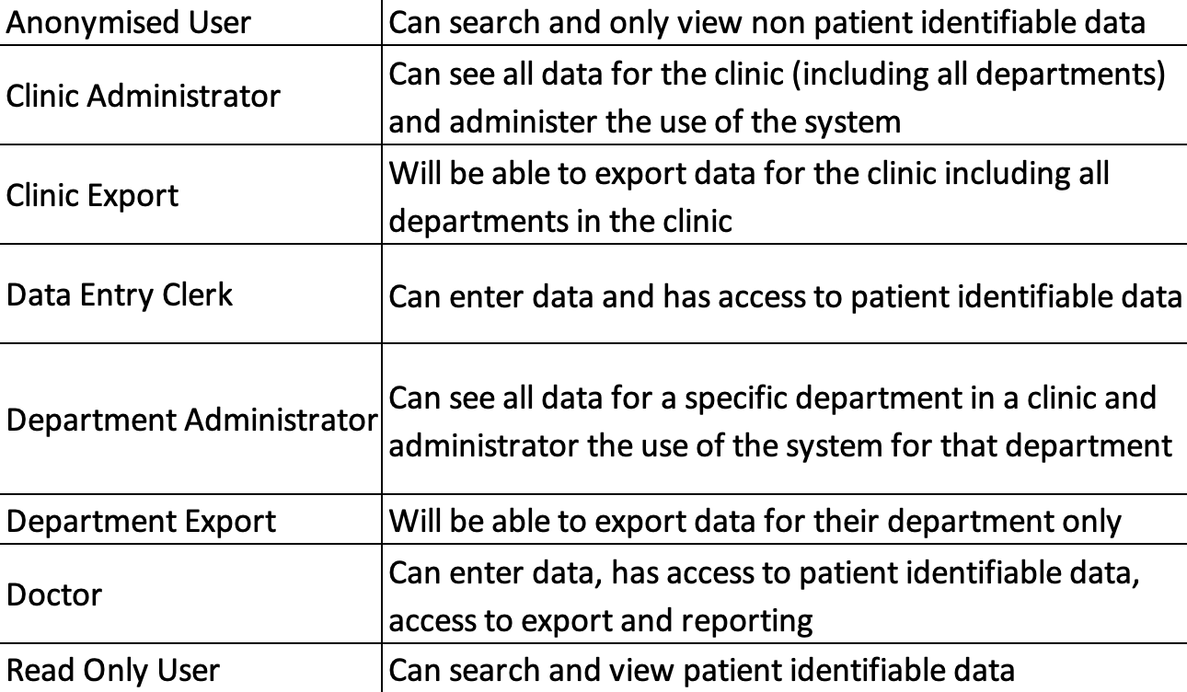
 | We need the email address to send users their login data.

